Sheet1
IMPERIAL GEARLESS SURVEY
(JOB SITE INFORMATION)
2575 Greensburg Rd, North Canton, OH 44720
Phone: (330)734-3600

CUSTOMER NAME: |  |  |  | _________________________ |  |  |  | JOB NAME: |  |  | _________________________

o | GEARLESS AC MACHINE QUANITY: |  |  |  |  | __________ |  | MODEL: |  |  | FRAME 543
o | CAR CAPACITY: |  |  | ____________ |  |  |  | o | CONTROLLER MANUFACTURER: |  |  |  |  |  |  |  | _____
o | CAR SPEED: |  | ____________ |  |  |  |  | o | DRIVE MANUFACTURER: |  |  |  |  |  | ____ |  | TKE Green drive 25K SCCR
o | ROPING: |  |  |  |  |  |  |  | ____ |  | KEB |  | ____ |  | MAGNETEK
o | TRAVEL HEIGHT: |  |  | ___________
o | EMPTY CAR WEIGHT: |  |  |  | ____________ |  |  | o | ENCODER CABLE LENGTH (METERS): CONTROL ROOM TO MACHINE
o | CWT %: | 50% |  |  |  |  |  |  | o | 3 |  | 10 |  | 15 | o | 20 |  | 25 |  | CUSTOM_______
o | HOIST ROPES TYPE: |  |  |  |  |  |  | o | ASME A17 CODE COMPLIANCE TO WHICH REVISION?
 | QUANTITY: |  | ___ | SIZE: | ______
o | PITCH OF HOIST ROPES: |  |  |  | _________ |  |  | o | SEISMIC ZONE: |  |  |  | IF YES: |  | o | ZONE 3 |  |  | o | ZONE 4
o | COMPENSATION: 0% |  |  |  |  |  |  |  |  |  |  |  | IF NO: |  | o

o | "ROPE DROP" " STRAIGHT" 180 |  |  |  |  | = | 18.89"
o | BUILDING POWER SUPPLY (VOLT.): |  |  |  |  | _________
SKETCH A
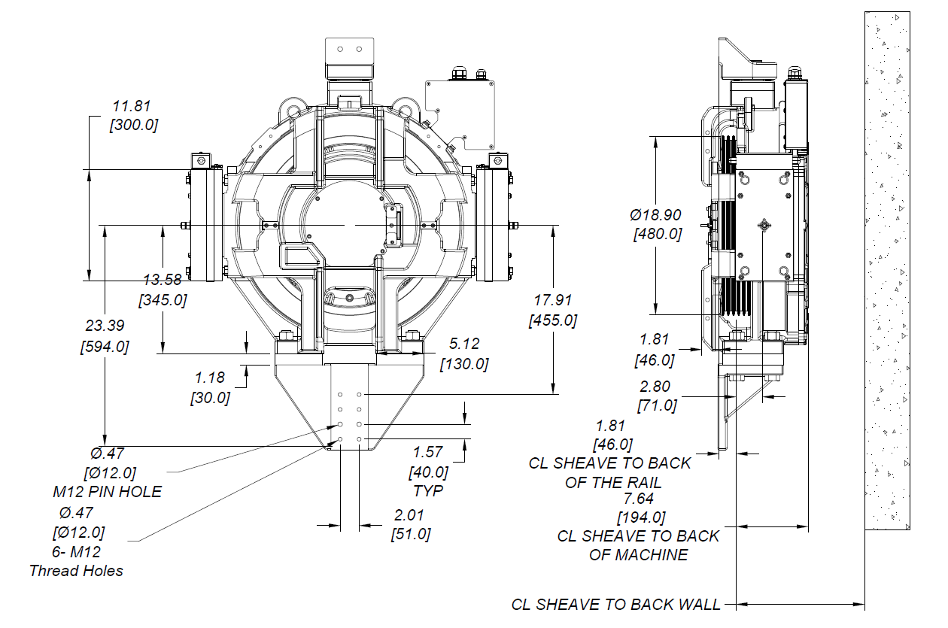

FRAME 543 MODEL SHOWN SKETCH A

Imperial Electric | A Nidec Kinetek Company 2575 Greensburg Rd, North Canton, OH 44720 O: (330)734-3600 www.nidec-ise.com
09/22/2021
PAGE 1

